Sheet1
Concentrating HNO3: Overcoming the HNO3/H2O Azeotrope Using H2SO4

Basis: 100mL Total Volume

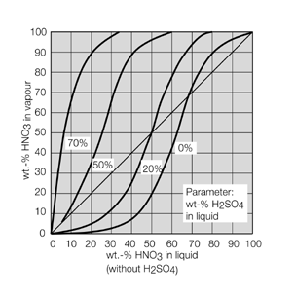
Variables
 |  | wt% | Density (g/cc)
HNO3 Used |  | 80 | 1.46
H2SO4 Used |  | 91 | 1.82
 |  |  |  |  |  |  |  | (Assume all water remains in boiler)
HNO3 in Liquid |  |  | H2SO4 in Liquid |  |  | H2O in Liquid |  | wt% HNO3 (Excluding H2SO4)
Vol (mL) | Mass (g) (Excluding Water) | wt% (Excluding H2SO4) | Vol (mL) | Mass (g) (Excluding Water) | wt% | Mass (g) | wt% | when H2SO4 is at 70wt%
10 | 11.68 | 39.81 | 90 | 149.06 | 83.55 | 17.66 | 9.90 | 72.4
15 | 17.52 | 48.91 | 85 | 140.78 | 79.72 | 18.30 | 10.36 | 69.7
20 | 23.36 | 55.22 | 80 | 132.50 | 75.80 | 18.94 | 10.84 | 66.6
25 | 29.2 | 59.85 | 75 | 124.22 | 71.80 | 19.59 | 11.32 | 63.2
30 | 35.04 | 63.40 | 70 | 115.93 | 67.72 | 20.23 | 11.81 | 59.3
35 | 40.88 | 66.21 | 65 | 107.65 | 63.55 | 20.87 | 12.32 | 54.8
40 | 46.72 | 68.48 | 60 | 99.37 | 59.29 | 21.51 | 12.83 | 49.5
45 | 52.56 | 70.35 | 55 | 91.09 | 54.94 | 22.15 | 13.36 | 43.3
50 | 58.4 | 71.93 | 50 | 82.81 | 50.49 | 22.79 | 13.90 | 35.8
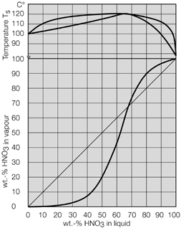
55 | 64.24 | 73.27 | 45 | 74.53 | 45.95 | 23.43 | 14.45 | 26.6
60 | 70.08 | 74.43 | 40 | 66.25 | 41.30 | 24.07 | 15.01 | 15.2
65 | 75.92 | 75.44 | 35 | 57.97 | 36.55 | 24.71 | 15.58 | 0.5
70 | 81.76 | 76.33 | 30 | 49.69 | 31.69 | 25.35 | 16.17 | 0.0
75 | 87.6 | 77.12 | 25 | 41.41 | 26.71 | 25.99 | 16.77 | 0.0
80 | 93.44 | 77.82 | 20 | 33.12 | 21.62 | 26.64 | 17.39 | 0.0
85 | 99.28 | 78.45 | 15 | 24.84 | 16.41 | 27.28 | 18.02 | 0.0
90 | 105.12 | 79.02 | 10 | 16.56 | 11.07 | 27.92 | 18.66 | 0.0
95 | 110.96 | 79.53 | 5 | 8.28 | 5.60 | 28.56 | 19.32 | 0.0

